Sheet1
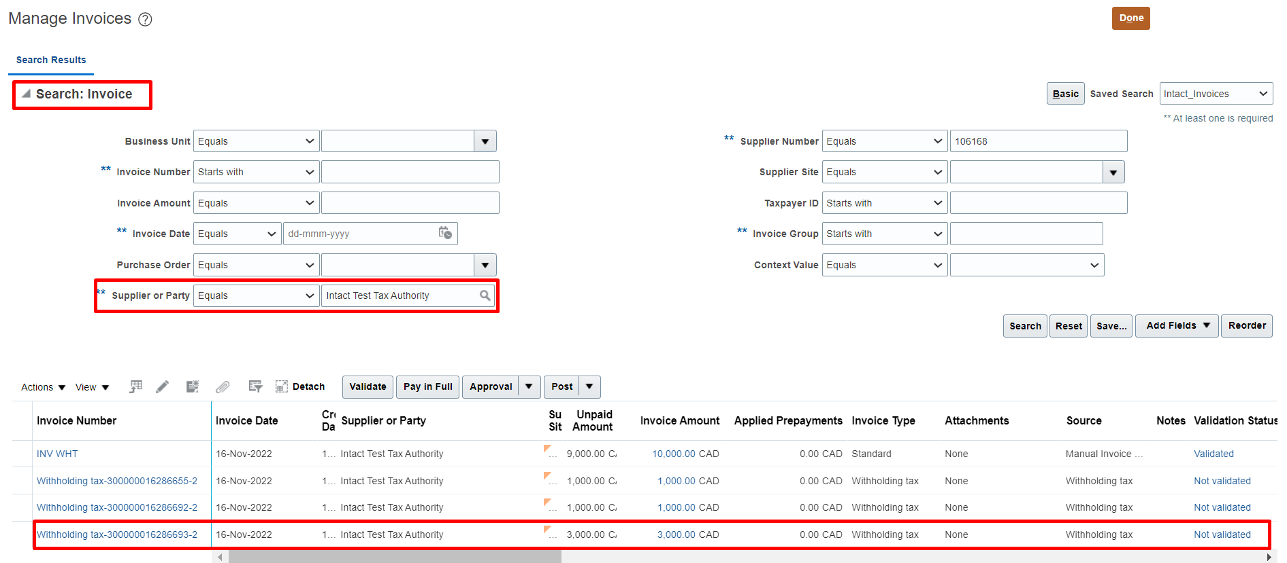
WithHolding Tax
Concept
* The concept of With Holding Tax is when the supplier is an Individual or Contractor there is no gurantee that they will pay the tax to the government. So we will
hold the tax and we will pay the remaining amount to them.
Eg : 1000 $ Payable and 10 $ Tax is leived on that amount in this scenerio we will not pay 10 $ to the supplier and we will pay 1000 $ to the supplier.
Invoice Amount | 10,000
Hold - Pay to Tax Authority | 1,000
Payable to Supplier | 9,000

Setups
Create Supplier as Tax Authority | Here we have to create the supplier with supplier type as Tax Authority.
Setup WithHolding Tax Options | Task | Manage Tax Reporting and Withholding Tax Options | >> | Here select Event class as Standard Invoice
Create WithHolding Tax Code: 10% | Task | Manage Tax Codes | >> | Here create Tax Regime and Tax Codes
Create WithHolding Tax Classification/Group | Task | Manage Withholding Tax Classifications
Assign WithHolding Tax Classification/Group to Supplier | Path | Procurement >> Suppliers >> Taskpane >> Manage Suppliers

Process
1.Create Standard Invoice, Validate this Invoice
*Here system will create separate Invoice for withholding tax Eg: Invoice amount is 10,000 and the tax is 1,000
System automatically creates WithHolding Tax Invoice: 1,000

* We have to create the supplier with supplier type as tax authority.
* We have to assign Tax Group to the supplier and Tax group only we can assign to the supplier. And the Tax code cannot be assigned to supplier.
* Create Supplier by selecting supplier type as WithHolding Tax Authority and goto invoicing tab >> Select invoice currency and payment currency.
Goto payments tab and select anyone as default payment method.

*If you are creating the supplier and it is routing for approval then we have to goto the task "Manage Supplier Profile Change Approvals". And "Manage Internal Supplier Profile Change Approvals".

Setups
1. Create Supplier by taking supplier type as "Tax Authority".
Path: Procurement >> Suppliers >> Taskpane >> Create Suppliers
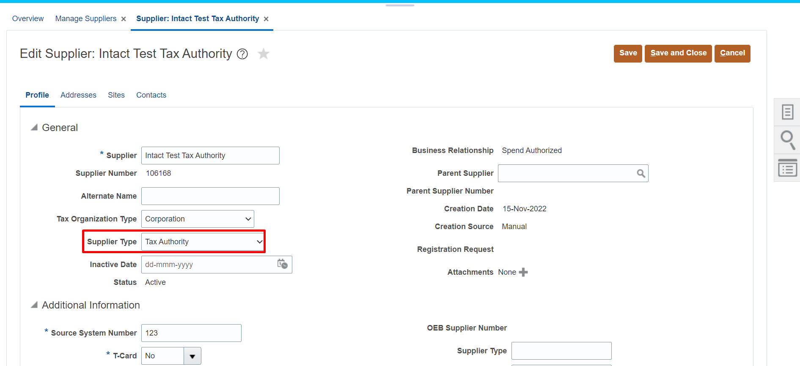

2. Set Withholding Tax Options
Task: Manage Tax Reporting and Withholding Tax Options
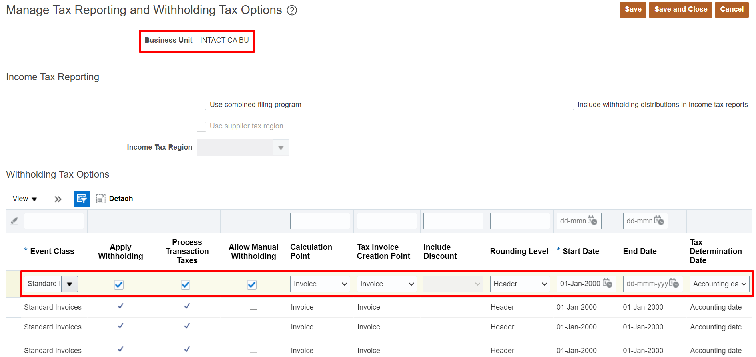

3. Create Tax Codes
*Create Tax Regime
Task: Manage Tax Codes
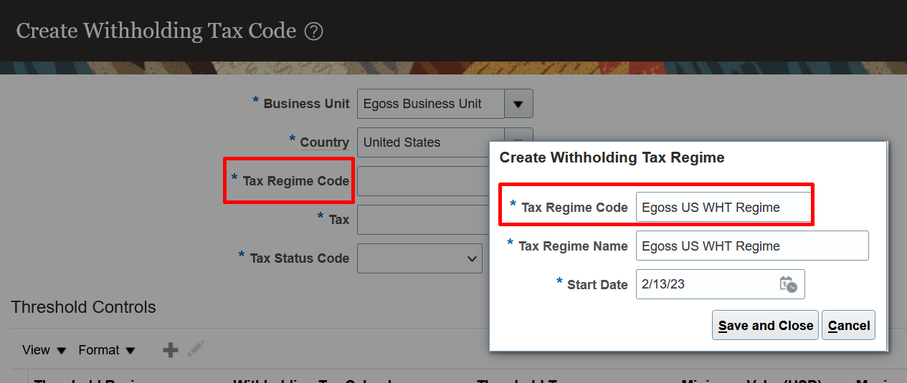

Task: Manage Tax Codes
*Here while creating the Tax codes we have to assign the tax authority
*Select Automatic Withholding Tax Account -21525
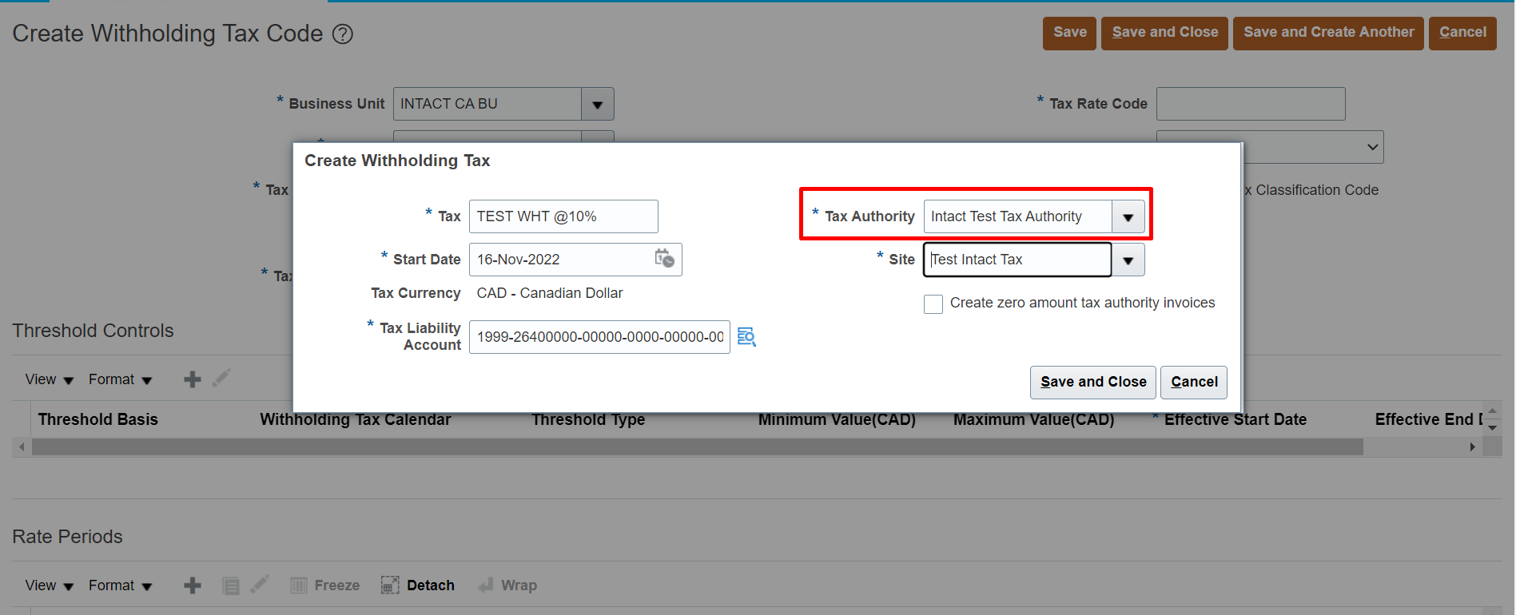

*We have created the tax code
Note: If you check the check box called " Create Tax Classification Code" automatically system will create withholding tax classification/group
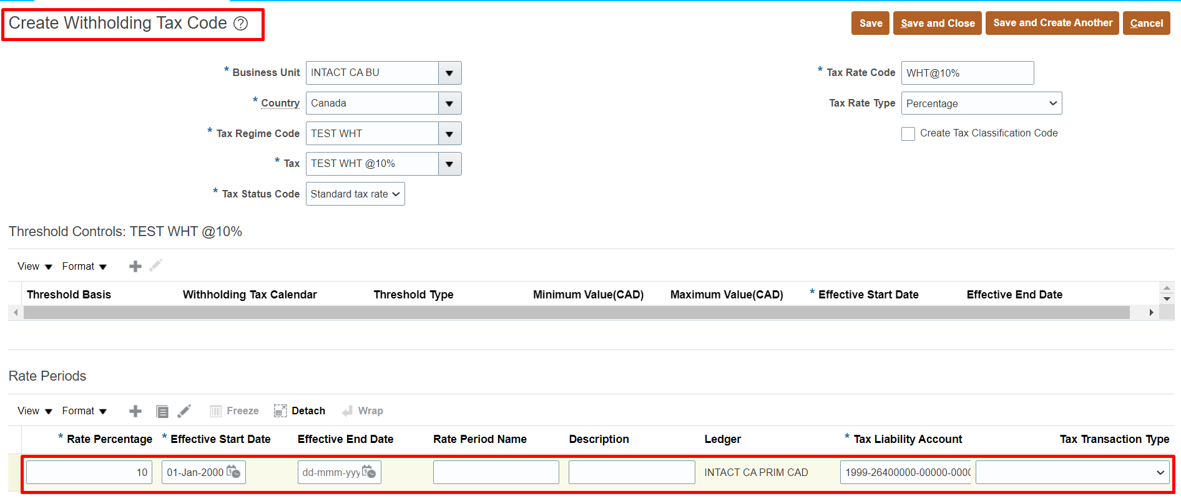

4. Create Withholding Tax Classification/Group
Task: Manage Withholding Tax Classifications
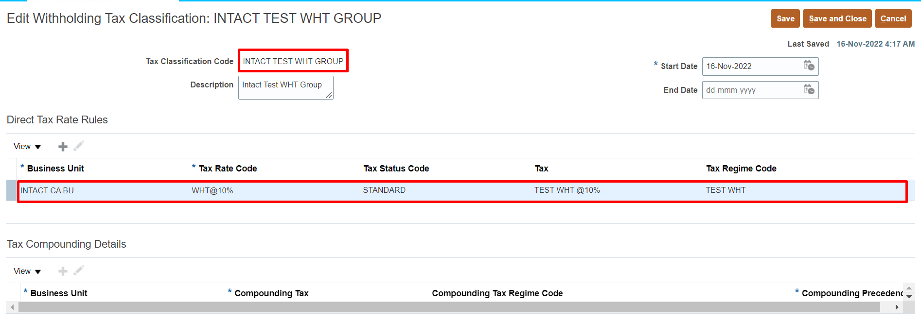

5. Assign Withholding Tax Classification/Group to Supplier
Path: Procurement Suppliers >> Taskpane >> Manage Suppliers >> Suppliers Profile Tab >> Income Tax Tab >> Check "With holding Tax" and select Withholding Tax Group".
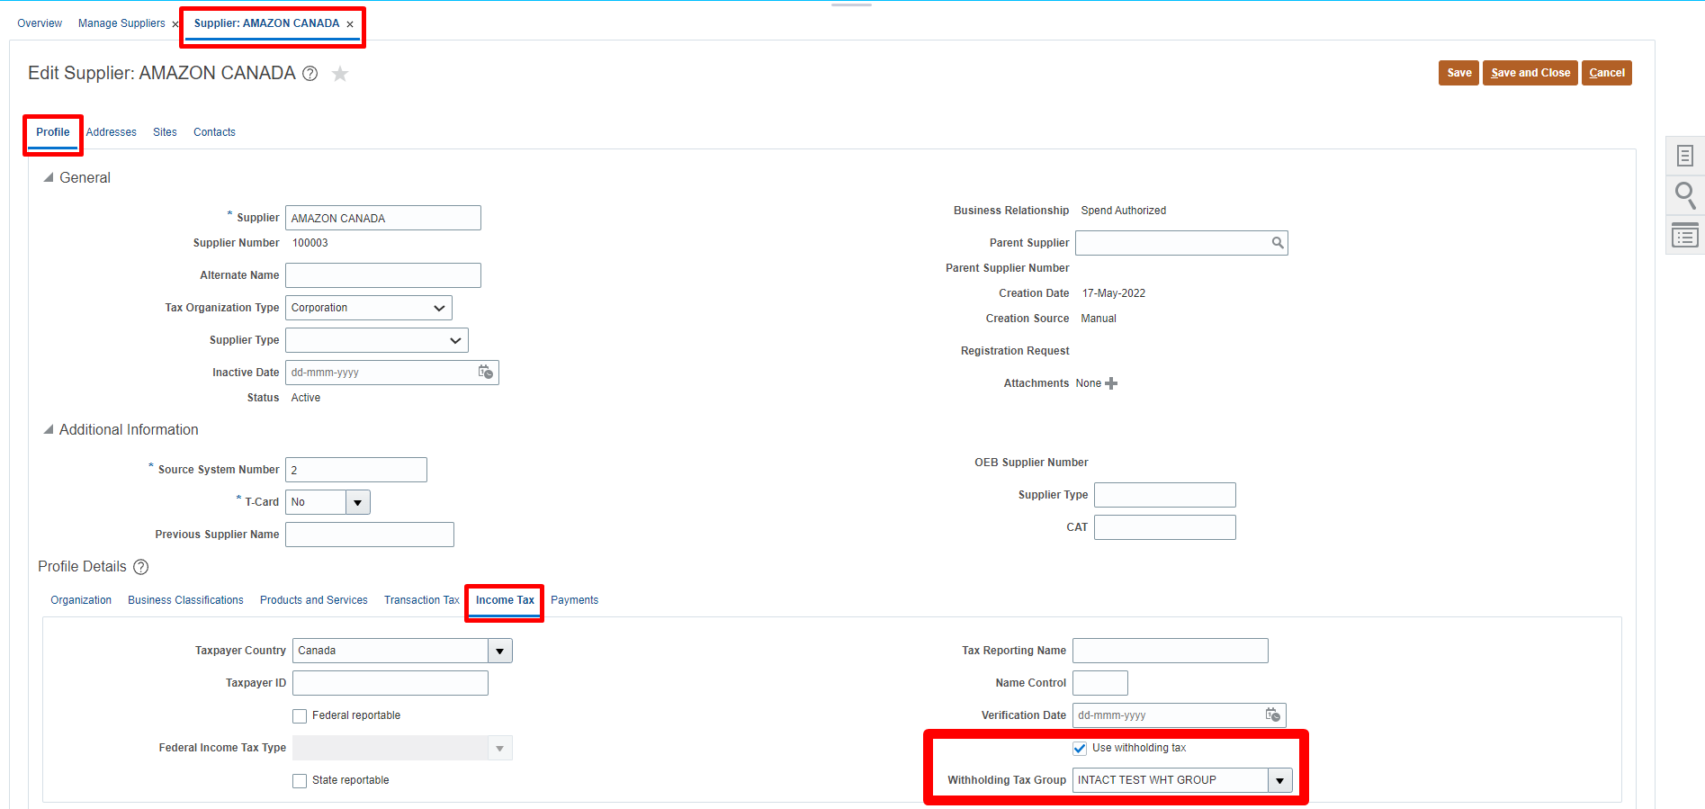

*Assign the same at supplier site level
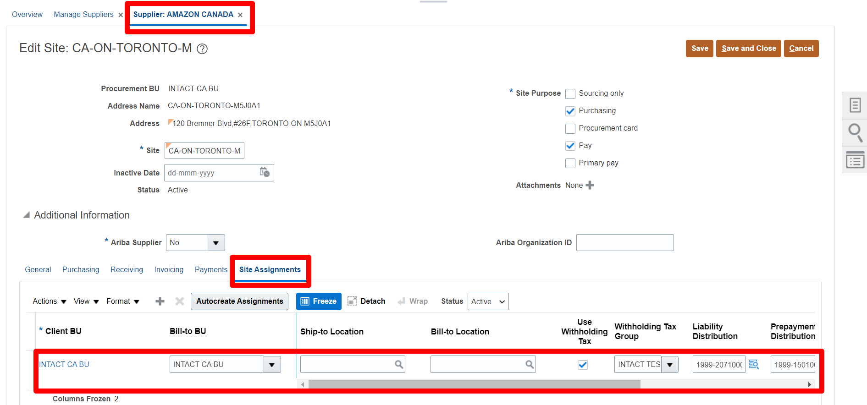

Process
1. Create Invoice
Path: Payables >> Invoices >> Taskpane >> Create Invoice
*Here we can see that system is calculating withholding tax
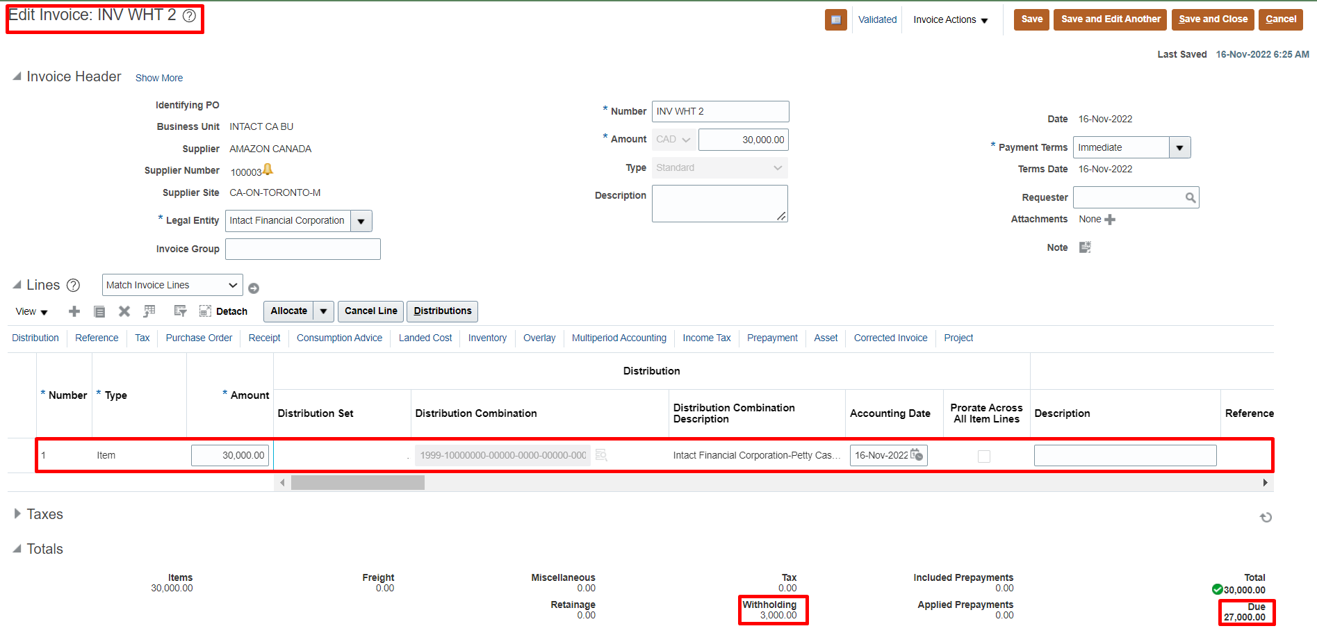

*Now search the withholding invoice in "Manage Invoices".

